1. Title Page
Grocery Basket Analysis

Project Name: Grocery Basket Analysis
Date: 24 March, 2024
Analyst Name: Dylan Siv

Contents:
Population Flow
Consistency checks
Wrangling steps
Column derivations
Visualizations
Recommendations

Citations: “The Instacart Online Grocery Shopping Dataset 2017”, Accessed from www.instacart.com/datasets/grocery-shopping-2017 via Kaggle on 24-03-2024.

2. Population Flow
Title page

Population flow

Exclusion flag
Condition: max_order < 5
Obervations to be removed: 1,469,925
Final total count of order_products_all: 30964564

30964564
Orders_products_combined
Orders_products_merged
Orders_products_all

Total: 32434489
Total: 32434489
Total:

1.) The grey boxes in the first row of the population flow represent the original data sets as they were when you downloaded them. In the Total fields you need to add the count of the rows when you imported the data set into Jupyter.
2.) The second row of boxes (coloured) represents the data sets after you manipulated them, e.g., removed missing values and duplicates. In the Total fields you need to add the count of the rows after conducting these operations. This offers a visual oveview of how the data flows throughout the data consistency checks.
3.) The third row, where also the arrows are coloured, represents the merges you performed between the datasets. In the Total fields you need to add the count of the rows in the merged datasets, so that you end up with the final dataset (in the red box). Keep in mind the final dataset should be without exclusions (based on the exclusion flag).

3. Consistency checks
 |  |  |  | Title page
Consistency checks

Dataset | Missing values | Missing values treatment | Duplicates
orders | 2026209 in 'days_since_prior_order' | Left alone
products | 16 in 'product_name' | deleted | 5 duplicates deleted
orders_products_prior | 5127 outliers | changed to NaN
customers

4. Wrangling steps
 |  |  |  | Title page
Wrangling steps

Columns dropped | Columns renamed | Columns' type changed | Comment/Reason
eval_set |  |  | not needed
 | order_dow |  | clarity for user
 |  | order_id | easier to compare
 |  | user_id | easier to compare
First Name |  |  | PII
Surname |  |  | PII

5. Column derivations
 |  |  |  | Title page

Column derivations and aggregations

In this tab you should add tables below that the frequences of flags/label variables that you produced after deriving them. NB: don't do this for continuous variables, only for flags.
Dataset | New column | Column/s it was derived from | Conditions
ords_prods_merge | price_range_loc | prices | > 15 = high range, <= 15 and > 5 is mid-range, and <=5 is low-range
ords_prods_merge | busiest day | order_day_of_week | 4 is least busy, = is busiest day, everything else is regularly busy
ords_prods_merge | busiest_days | odrer_day_of_week | 0 and 1 is busiest, 3 and 4 is least busy
ords_prods_merge | busiest_period_of_day | hour_of_order | 10 is most, 3 is fewest, everything else is average
ords_prods_merge | loyalty_flag | max_order | >40 is loyal, between 10 and 40 is regular, <10 is new
ords_prods_merge | avg_prod_price | user_id, prices | mean of prices
ords_prods_merge | spending_flag | avg_prod_price | <10 is low spender, else high spender
ords_prods_merge | median_days | user_id, days_since_prior_order | median of column
ords_prods_merge | frequency_flag | median_days | >20 is non-frequent, < = 10 is frequent, everything else is regular
customers_new | region | state | divides states into 4 regions
customers_new | exclusion_flag | max_order | >=5 is normal, <5 is low
customers_normal | age_group | age | divides age into 3 groups
customers_normal | income_group | income | divides income into 3 groups
customers_normal | customer_profile | age_group, n_dependants, fam_status | makes six different demographic profiles
customers_normal | income_profile | customer_profile, income_group | adds income to profile

6. Visualizations
 |  |  |  | Title page

Visualisations

In this tab you should include all the visualtions from Exercises 4.9 and 4.10, alongside the questions from the project brief that they answer. Include any commentary on the relationship between different variables.

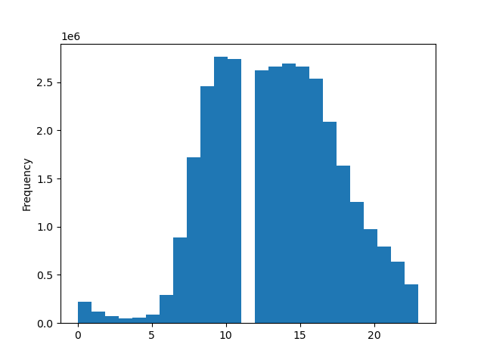


This chart shows us the busiest hours of the day, which are around the middle |  | This chart shows that earlier in the week tends to be the busiest.
except for 12pm which is for lunch.

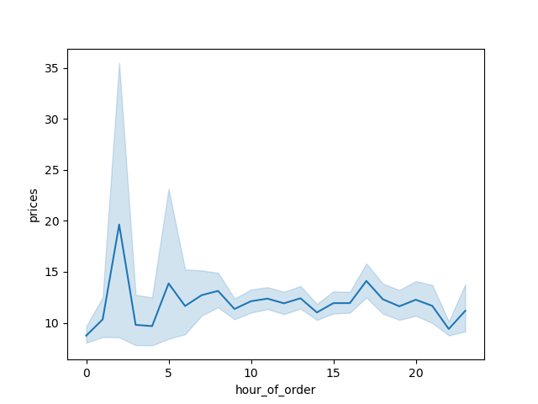


 | Both of the above charts show price information for the marketing team to use. Earlier hours have a higher spike in prices then the rest of the day.

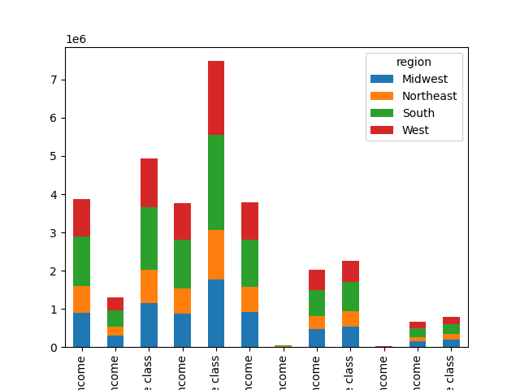

 |  |  | The formatting is cut off a bit so I would direct you to the notebook for a better view
 |  |  | This chart shows the frequency of our customers as well as which regions they are more concentrated in. The south has the highest concentration, closely followed by the West.

7. Recommendations
 |  | Title page

Recommendations

In this tab you should include any recommendations you would made to Instcart in terms of their marketing strategy based on the questions posed in the brief. Every key question has been covered in the Tasks of the Exercises - here you need to add an item - a visualisation or table/crosstable that is showing the answer in the data, acompanied by a comment from you. Please, list the questions below and add the answer underneath.

Question | Answer
The sales team needs to know what the busiest days of the week and hours of the day are (i.e., the days and times with the most orders) in order to schedule ads at times when there are fewer orders | The busiest days of the week are Saturday and Sunday. The busiest hours are 9-11, although in general the middle of the day remains pretty bus.
They also want to know whether there are particular times of the day when people spend the most money, as this might inform the type of products they advertise at these times | Looking at the chart, 1AM seems to have the highest spikes in overall prices, which would definitely warrant heavier advertisement.

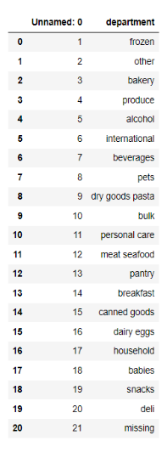
Are there certain types of products that are more popular than others? The marketing and sales teams want to know which departments have the highest frequency of product orders. | The most frequent department is the bulk items, closely followed by baby products.



What’s the distribution among users in regards to their brand loyalty (i.e., how often do they return to Instacart)? | The bottom axis can't be saved with manually using Python, but regular customers make up the bulk of our client base, with loyal customers in second.

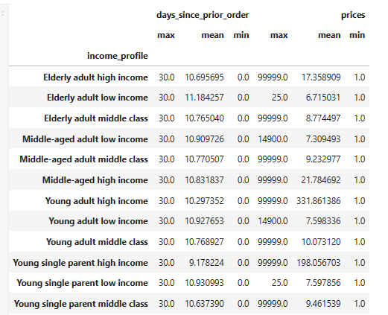
The marketing and sales teams are particularly interested in the different types of customers in their system and how their ordering behaviors differ | Looking at the data, young adults in the high income bracket tend to purchase higher-priced products as expected, but the majority of our customers are single middle-aged/elderly clients. While there are more customers in the Southern and Western regions, preferences do not seem to change much as a whole.

Reccomendations
Looking at the trends I would recommend focusing advertisements on the early morning hours, particularly on Saturday and Sunday.
Since there are not any significant trends amongst customer demographics, I would recommend focusing on general customer retention to improve loyalty and order frequency.

